Sheet2
Name of Customer | Approved Cr. |  | Outstanding |  |  | Last Payment Received |  | Approval Request |  | Collection Commited |  | Customer Contact Name & Number
 | Limit | Days | Amount | Days | Collection date | Amount | Date | Order no | Invoice Amount | Date | Responsible Person
KAYPEE ENTERPRISES (BBL) | 5 LAKHS | 30 Days | 312723.12 | 33 | 2025-12-20 | 1,82,077 | 2025-11-27 | SO-9664 | 106,461.00 | 2026-01-07 | GANESH CHANDRA SWAIN | CHANDAN BEHERA,MOB-9777802562
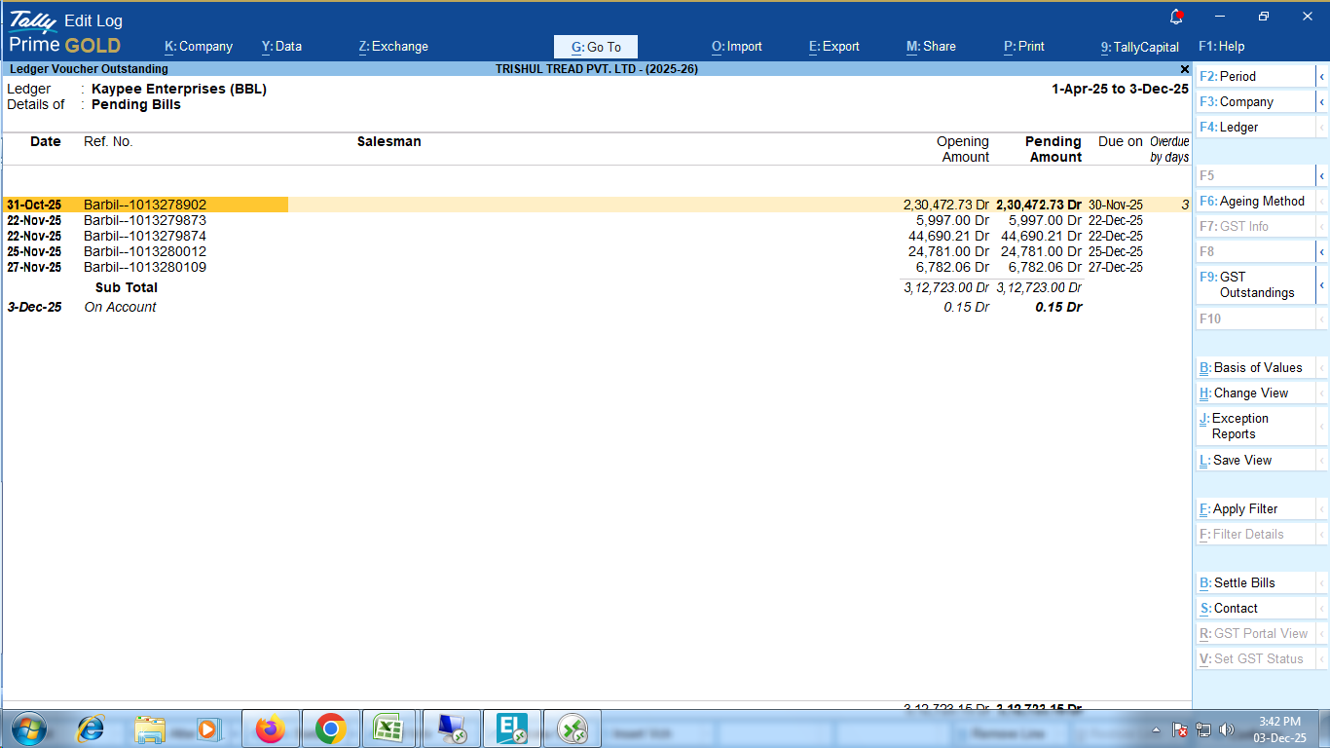
 |  |  |  |  |  |  |  | Total | 106461

Outstanding Invoice Details |  |  | Collection
Invoice No. | Date | Amount | Date
1013278902 | 2025-10-31 | 230472.73 | 2025-12-20
1013279873 | 2025-11-22 | 5997 | 2025-12-20
1013279874 | 2025-11-22 | 44690.21 | 2025-12-20
1013280012 | 2025-11-25 | 24781 | 2025-12-20
1013280109 | 2025-11-27 | 6782.06 | 2025-12-20
TOTAL= |  | 312723

